Line List Tracking
Instructions:
Use this tool to help track GI Cases your facility whether there is an outbreak or not. Use a new version of the form once an outbreak has been identified and declared to keep it specific to the outbreak (or remove any non-outbreak cases ).
Document all staff or resident GI cases. Staff cases may not be reportable, but the facility should keep track in case the MHO requires this information during an outbreak.
Use this line list to complete the the RI and GI Outbreak Report form. Only those that meet a case defintion are inlcuded on the RI and GI Outbreak Report Form.
If information was updated at a later date from the date added to the line list, please ensure the 'Last Updated Date' column reflects the most recent update.
Symptom Legend: Nausea = Na, Vomiting = V, Diarrhea = D, Bloody Diarrhea - BD, Fever = F, Malaise = M, Myalgia = My, Headache = Ha,
Gastrointestinal Illness Outbreak Surveillance Line List tool
Master List - For Outbreak Management Team Lead (eg. Manager) use

 |  |  |  |  |  | If outbreak declared:
Facility Name: |  |  |  |  |  | Outbreak Location (ward/Unit/Floor)
Facility Phone: |  |  |  |  |  | Total # beds in Outbreak location
Date Report Started: |  |  |  |  |  | Causative Agent Identified

 |  |  |  |  |  | Additional columns may be added by the facility to support internal tracking/documentation needs

Date added to line list | Last Updated Date | Last Name | First Name | PHN (or phone if staff) | DOB (for residents's only) | Unit (reside or worked) | Room number | Symptom onset date | Symptom description compatible with case definition | Sample collection type | Sample collection date | Test result | Date Placed on Isolation | Outbreak case? (Yes/No) | Hospitalized? (Y/N) | Death? (enter date of death) | Infectious Period | Vaccinated (COVID) | Staff or Resident | If staff, enter role | Last Day Worked (Staff) | Reported to CD Unit (Form 823076) | Column1 | Column3 | Column2 | Column4

How-to Password Proctect
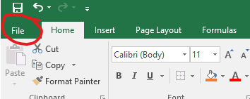
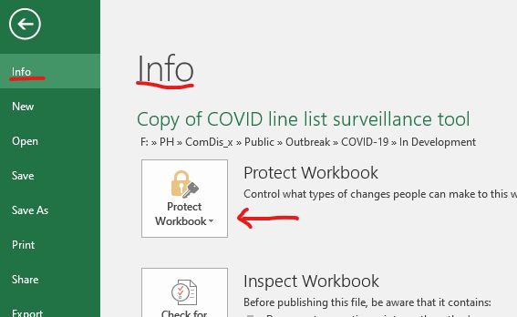
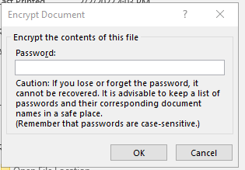
Password Protect Line List
1) Select the File tab.
2) In the 'Info" section, select Protect Workbook button.
3) Choose Encrypt with Password from dropdown menu.
4) Enter a password, and press OK.
5) Save your document.
Keep track of this password, and send the password to the CD Outbreak (CDOutbreak@interiorhealth.ca) in a separate email if the line list is requested by the CD Unit Outbreak Team.
*to remove the password protection, follow the same process, but erase the password in the text box so that it is blank, press OK. When you save the document it no longer will be password protected.

