How to Password Protect
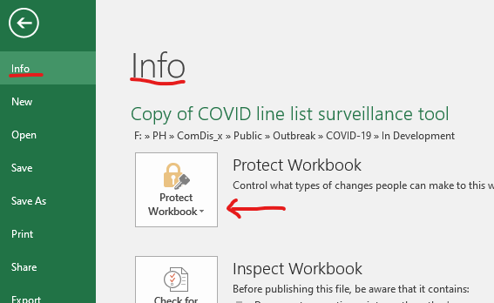

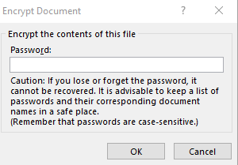

Epi Curve
Epi Curve for: |  | Positive | RI Test Results

Instructions:
1. Enter in the date of the FIRST identified case here:
2. Update Title of Graph for pathogen, location as appropriate (in red)
3. Adjust axis if necessary

Cases of RI Pathogen - Facility & Unit
 | Date | Case Count
 | -2 | 0
 | -1 | 0
 | 0 | 0
 | 1900-01-01 | 0
 | 1900-01-02 | 0
 | 1900-01-03 | 0
 | 1900-01-04 | 0
 | 1900-01-05 | 0
 | 1900-01-06 | 0
 | 1900-01-07 | 0
 | 1900-01-08 | 0
 | 1900-01-09 | 0
 | 1900-01-10 | 0
 | 1900-01-11 | 0
 | 1900-01-12 | 0
 | 1900-01-13 | 0
 | 1900-01-14 | 0
 | 1900-01-15 | 0
 | 1900-01-16 | 0
 | 1900-01-17 | 0
 | 1900-01-18 | 0
 | 1900-01-19 | 0
 | 1900-01-20 | 0
 | 1900-01-21 | 0
 | 1900-01-22 | 0
 | 1900-01-23 | 0
 | 1900-01-24 | 0
 | 1900-01-25 | 0
 | 1900-01-26 | 0
 | 1900-01-27 | 0
 | 1900-01-28 | 0
 | 1900-01-29 | 0
 | Total Cases: | 0

IP investigation exposures
F:IHA Teams\IH Infection Control\Line Lists\2023GILineList
F:IHA Teams\IH Infection Control\Line Lists\2023RILineList

